Formula & Keterangan
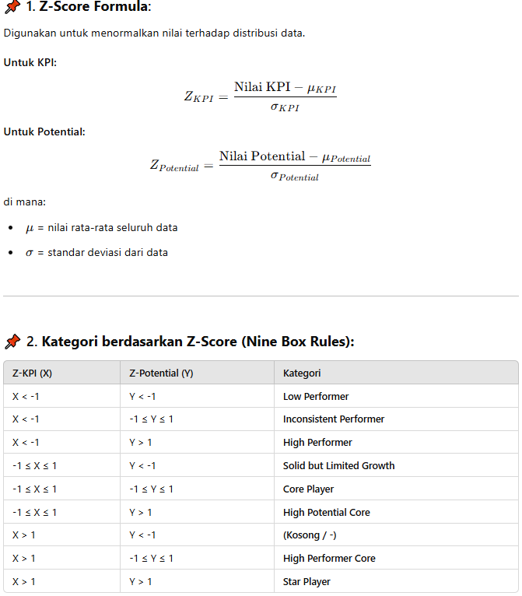
Rumus Z-Score:
Z_KPI = (Nilai KPI - Rata-rata KPI) / Standar Deviasi KPI
Z_Potential = (Nilai Potential - Rata-rata Potential) / Standar Deviasi Potential

Kategori Nine Box berdasarkan Z-Score:
Z_KPI | Z_Potential | Kategori
< -1 | < -1 | Low Performer
< -1 | -1 s.d. 1 | Inconsistent Performer
< -1 | > 1 | High Performer
-1 s.d. 1 | < -1 | Solid but Limited Growth
-1 s.d. 1 | -1 s.d. 1 | Core Player
-1 s.d. 1 | > 1 | High Potential Core
> 1 | < -1 | -
> 1 | -1 s.d. 1 | High Performer Core
> 1 | > 1 | Star Player

Dashboard
